EVD_ASM 01-03
Test Case ID | ASM01-03
Test Case Summary | Lakukan Entry Asset Vehicle New - Asset From Buy - Asset Purpose Internal - With Maintenance * setelah jadi stock, jadikan stock replacment

Step # | Test Evidence | Re-Test Evidence (if found Bug/Issue)
1
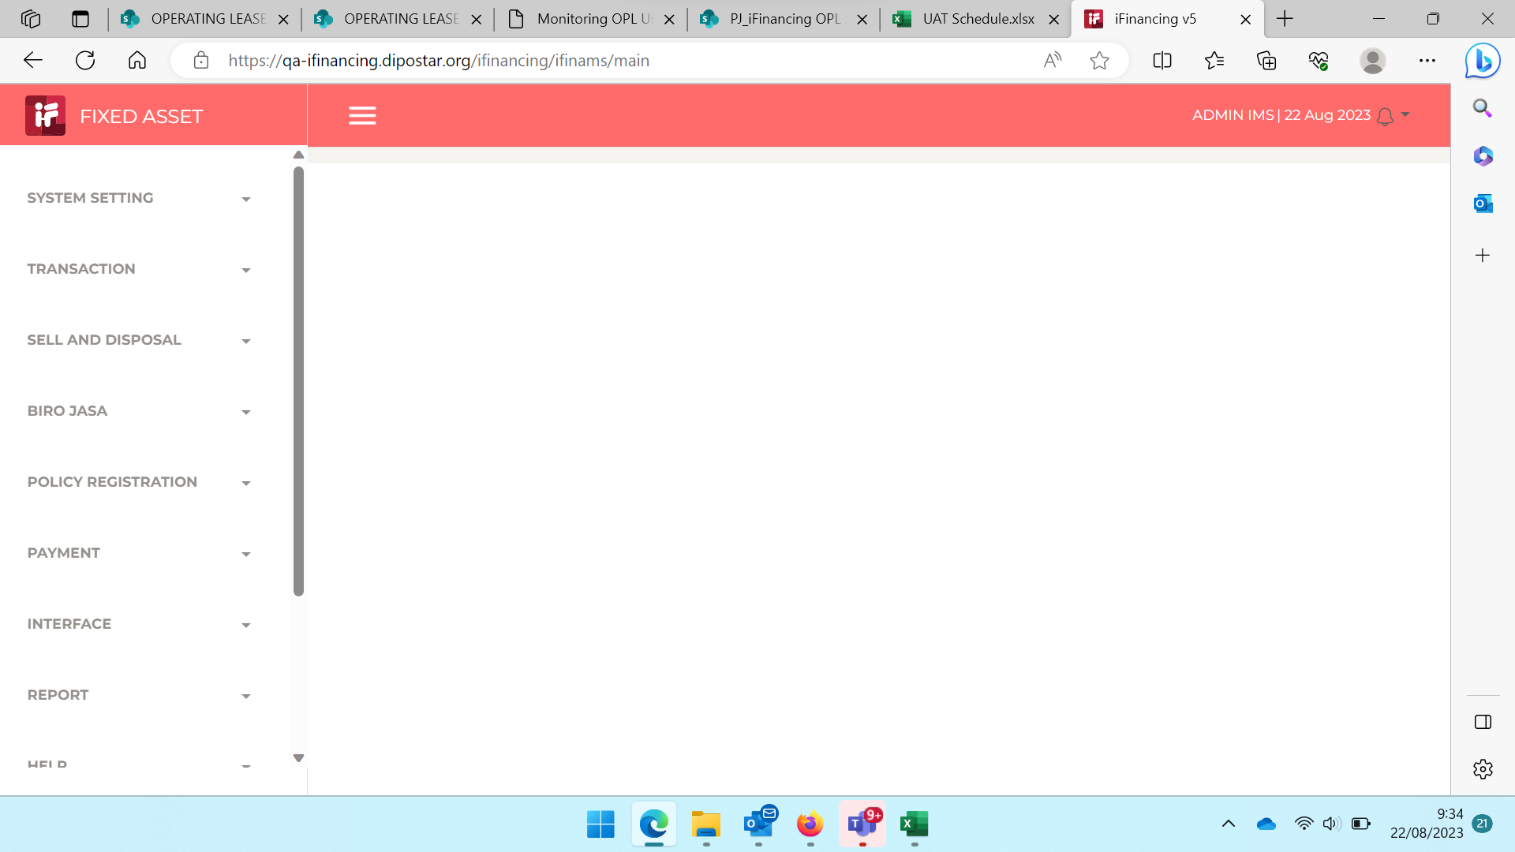
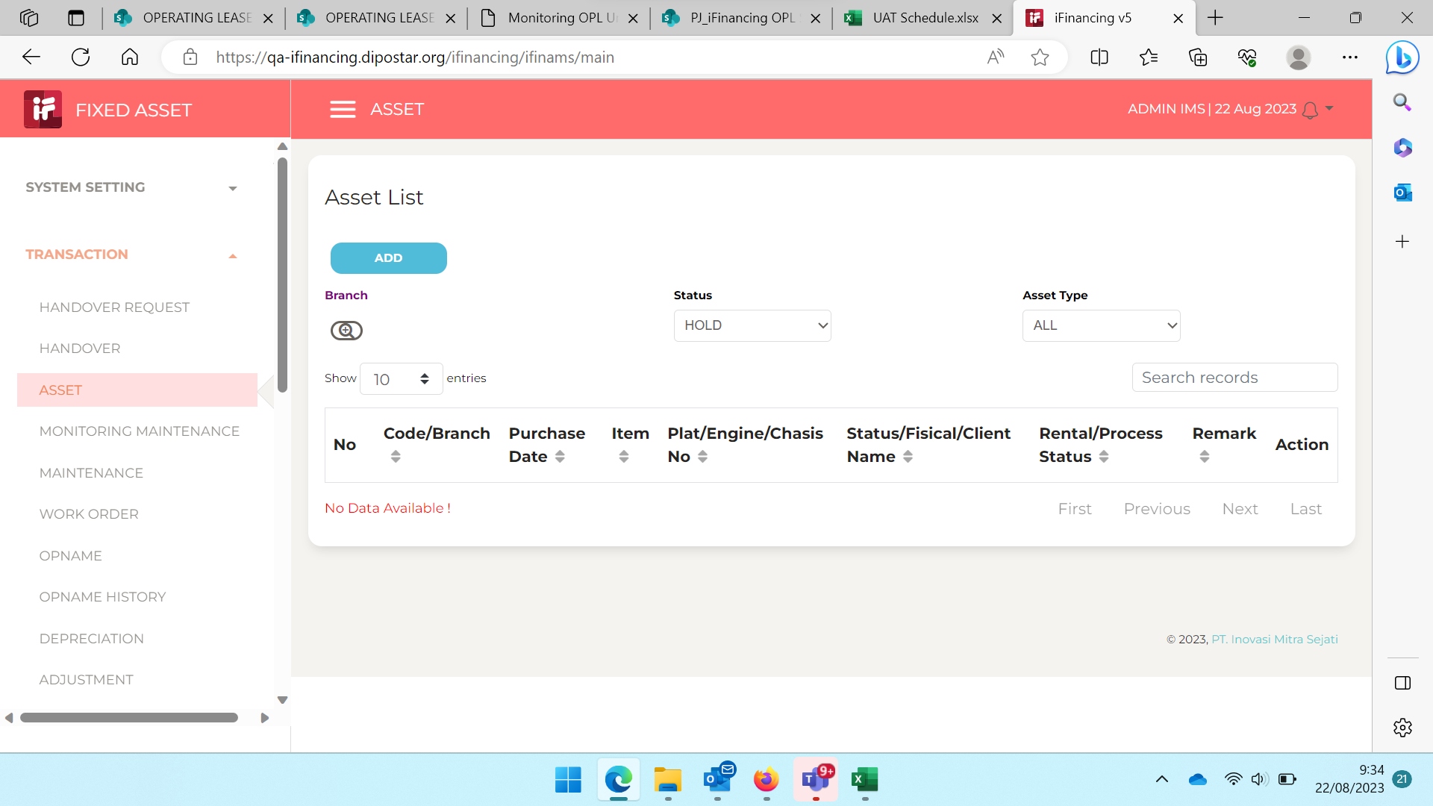
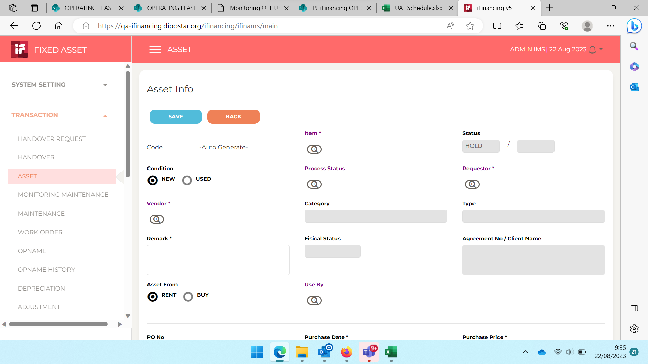

2
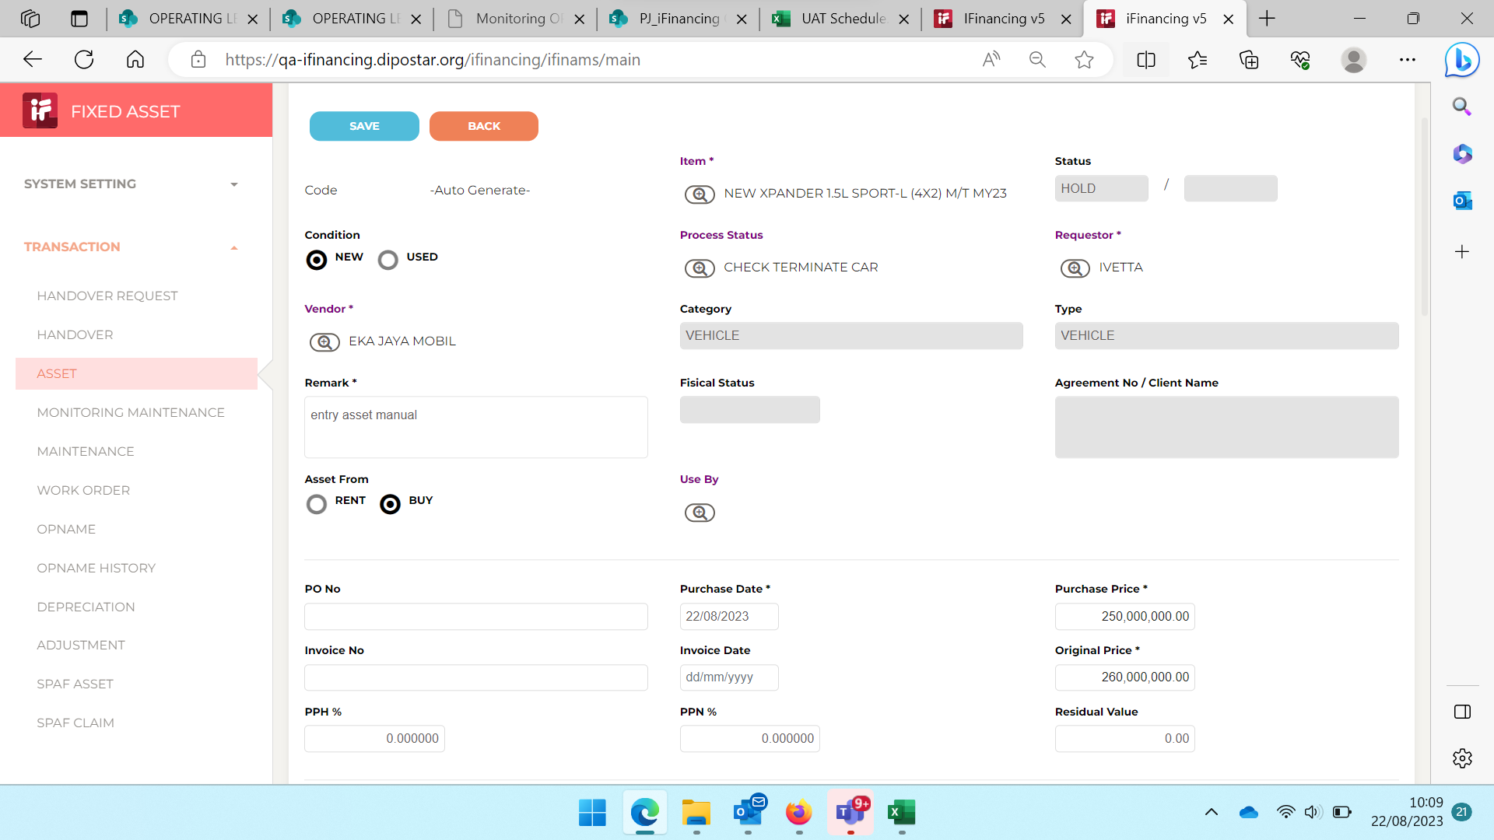

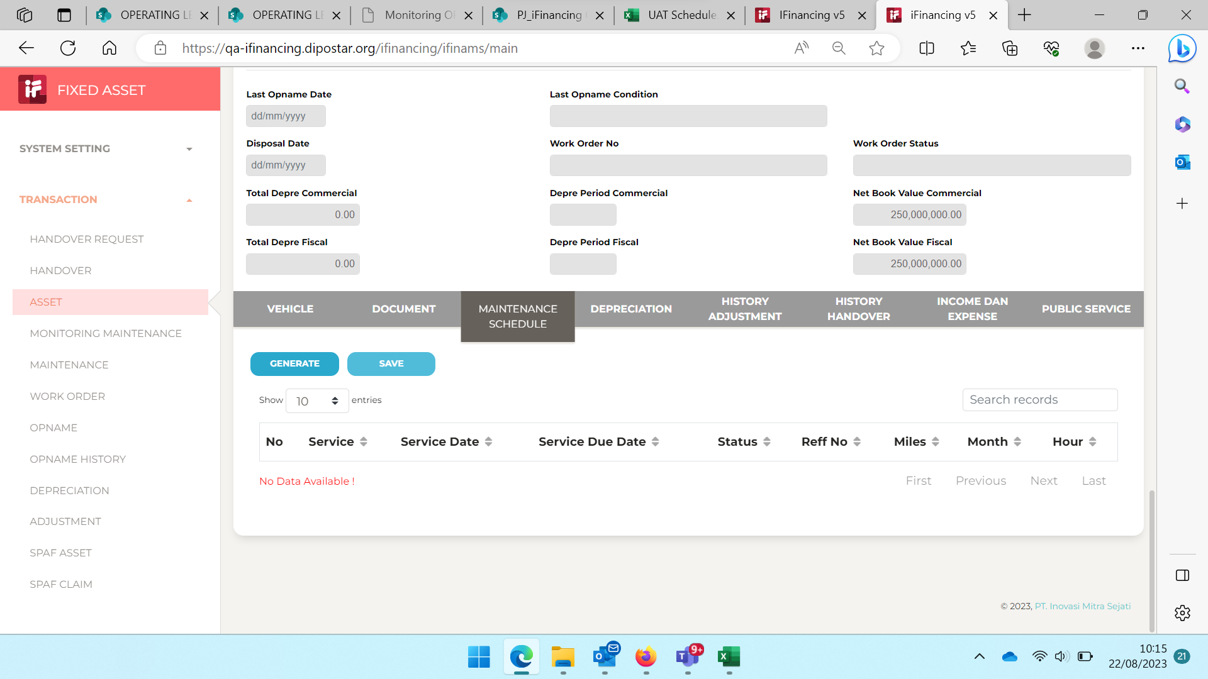

3

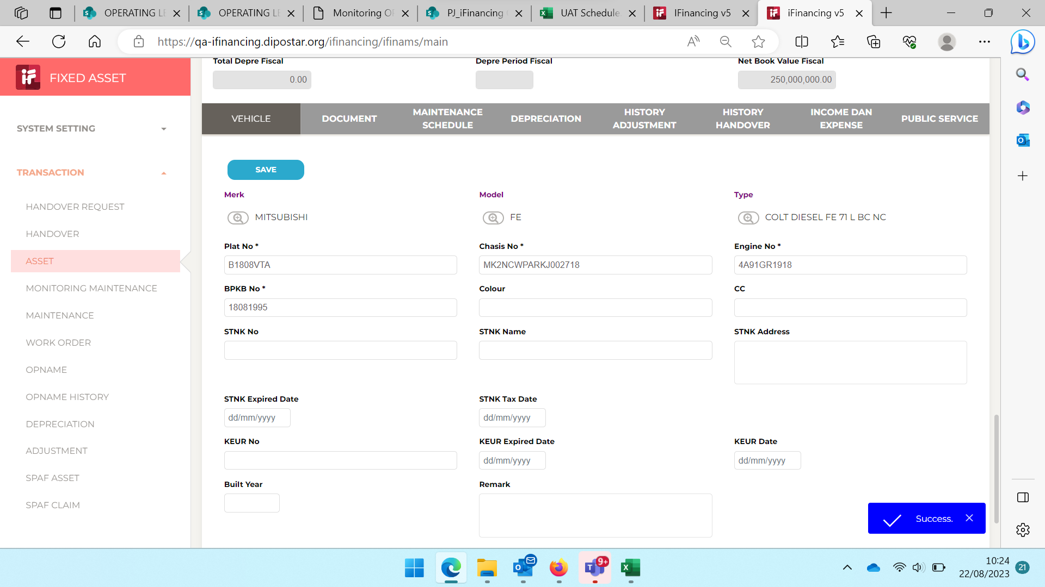

4

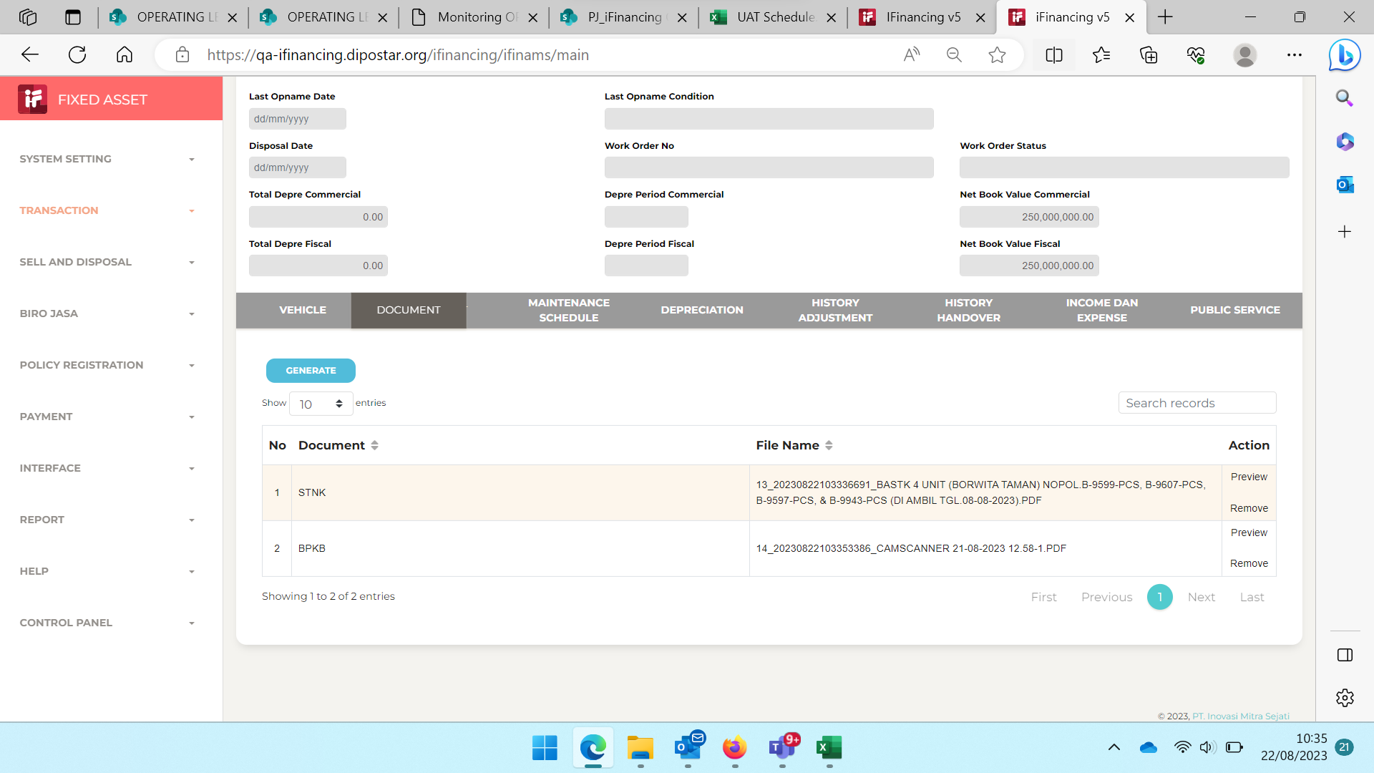

5

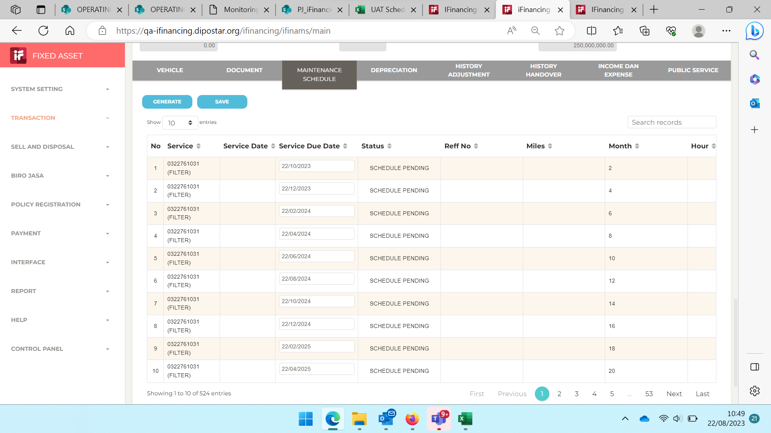

6
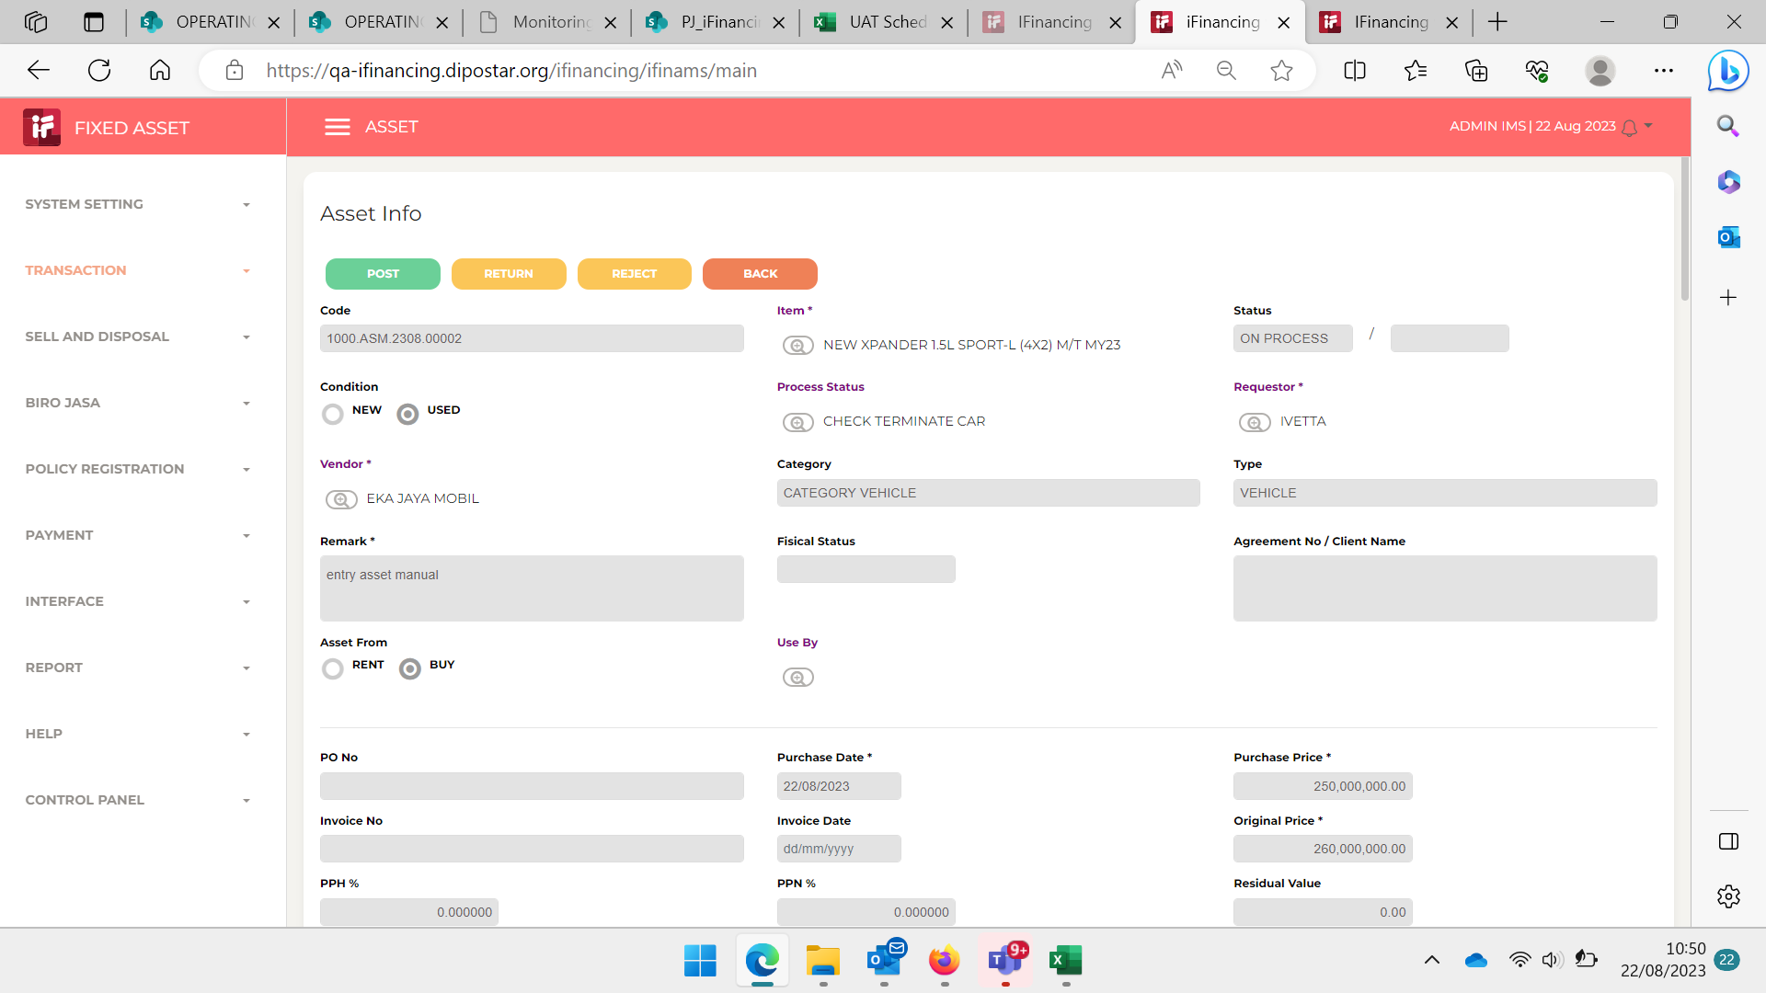

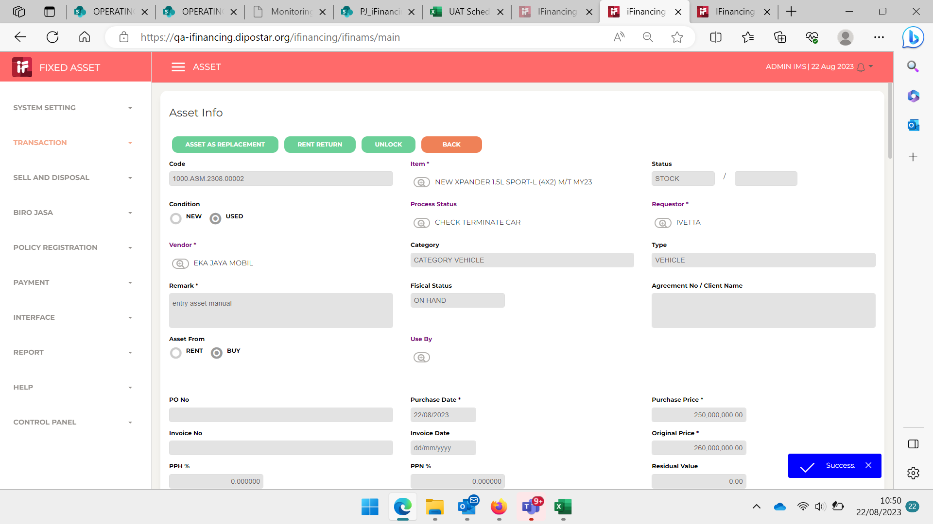

7
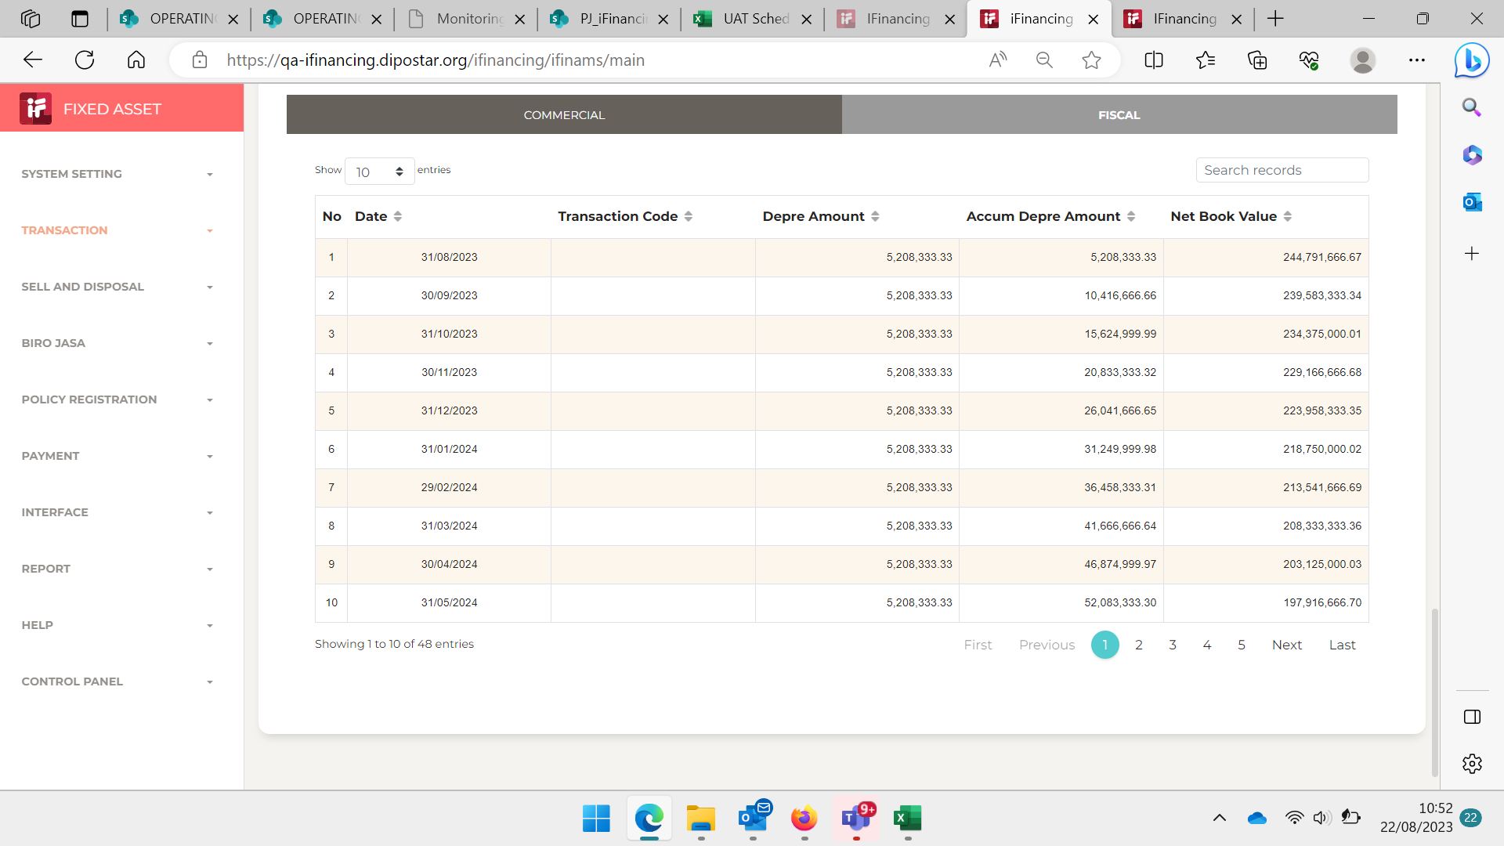

8
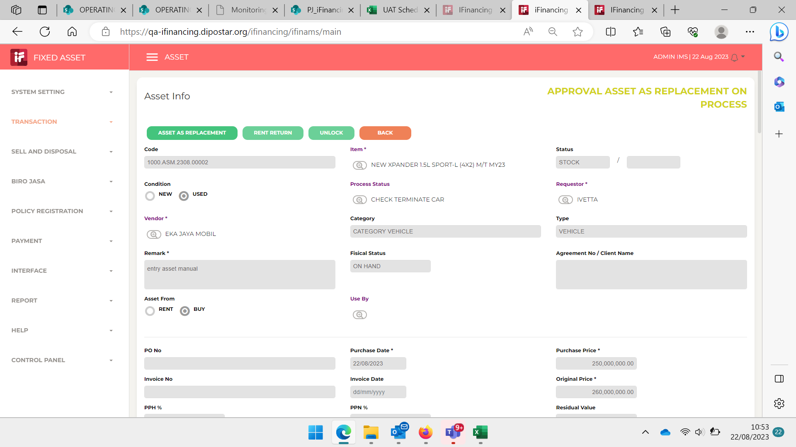

9

10

11

13

14

15

16

17

18

19

20

21

22

36

37

38

39

41

43

44

45

46

